architecture
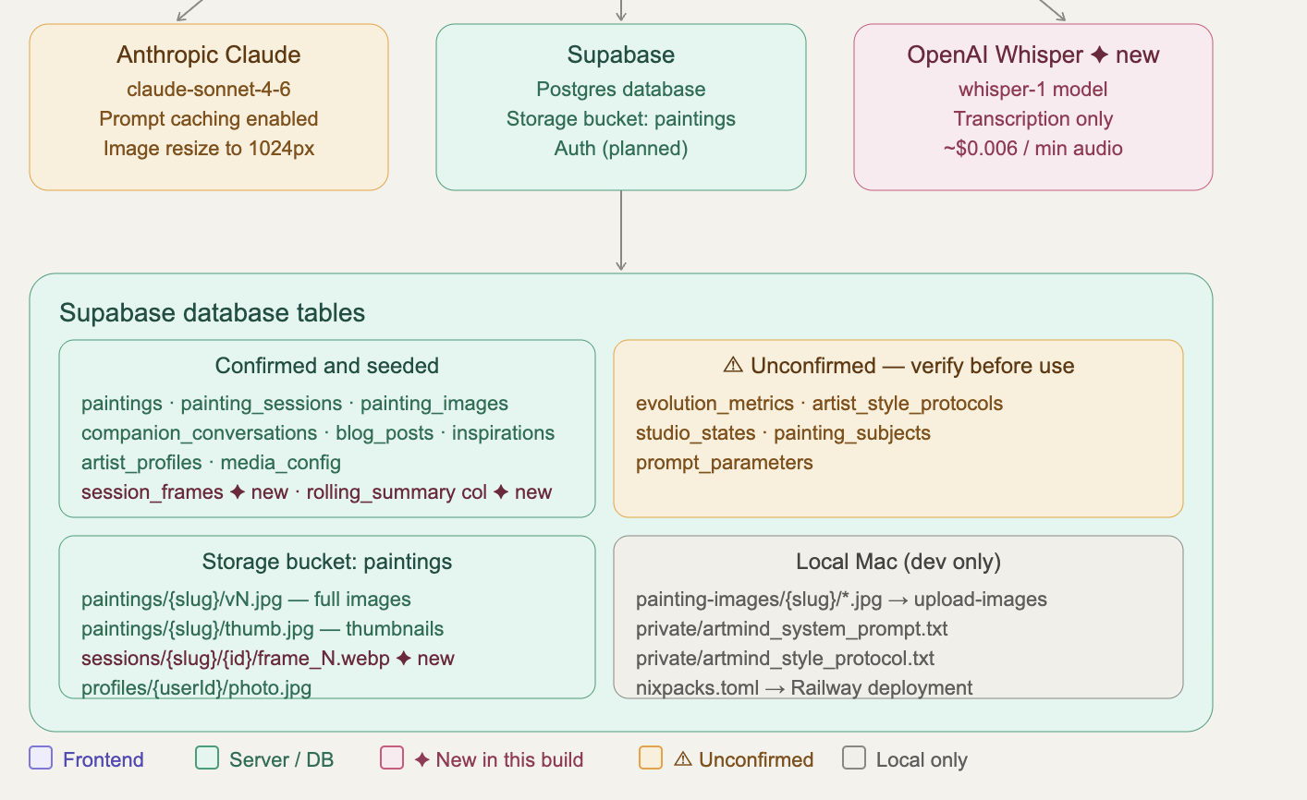
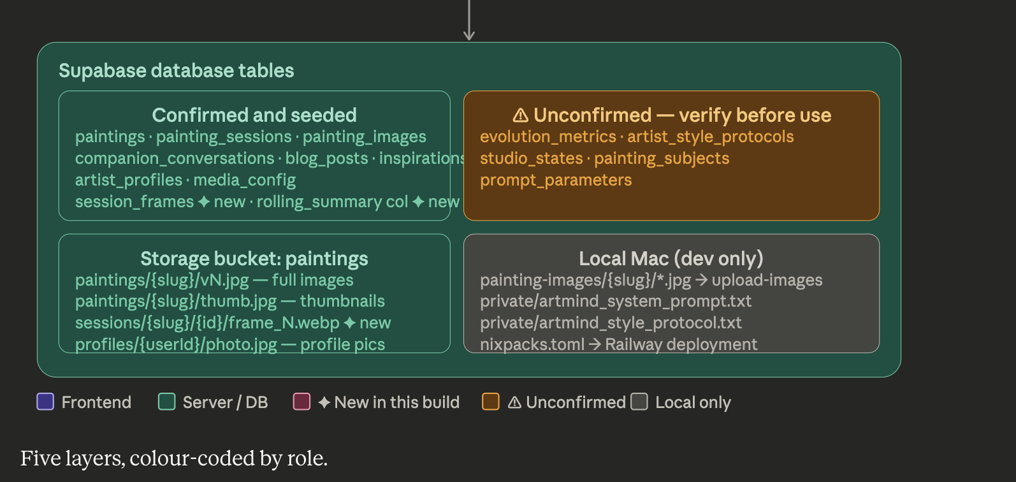
Five layers, colour-coded by role.

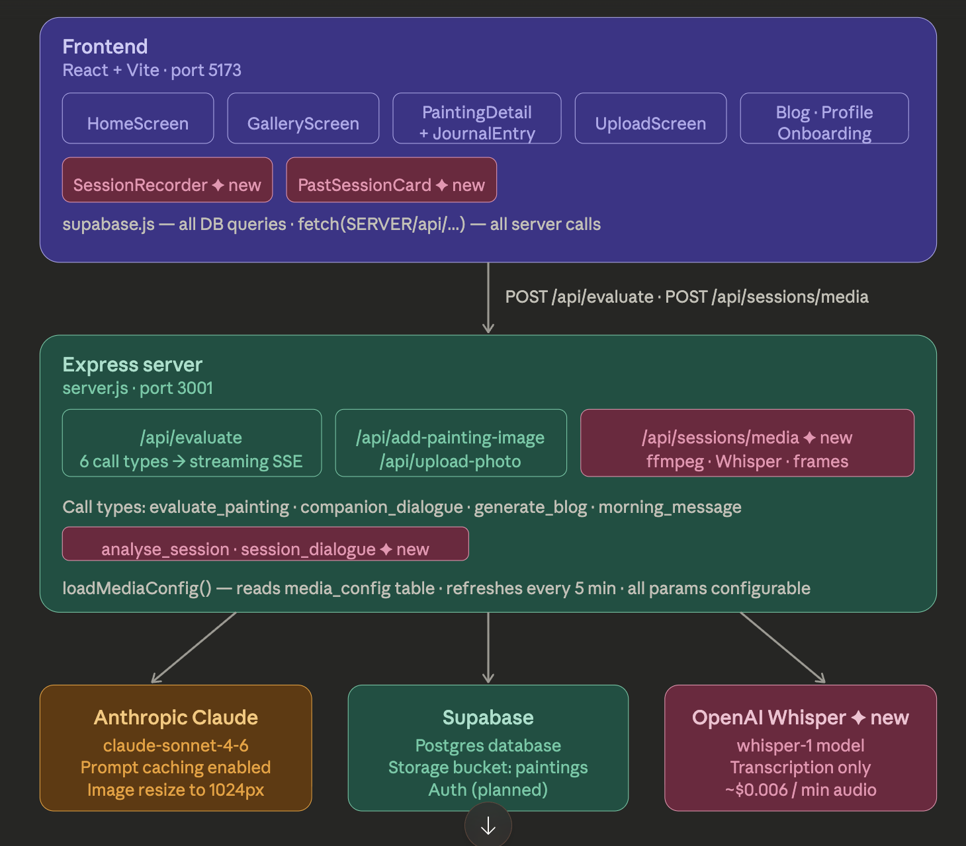
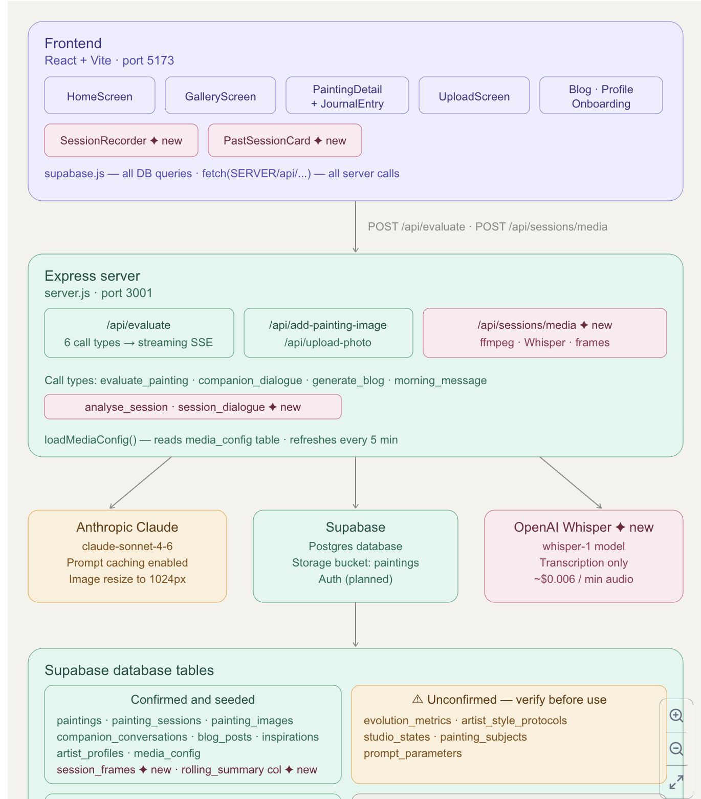
Purple — Frontend. All screens listed. New components (SessionRecorder, PastSessionCard) marked in pink.

Teal — Server. All existing routes shown. The new /api/sessions/media route in pink. The six call types including the two new ones. The loadMediaConfig() pattern noted.

Three external APIs. Anthropic Claude (amber — core intelligence, prompt caching, image resize). Supabase (teal — database + storage). OpenAI Whisper (pink — new, transcription only, cost shown).

Database tables split honestly. Confirmed and seeded in teal. Unconfirmed tables that need verification before use in amber — evolution_metrics, artist_style_protocols, studio_states, painting_subjects, prompt_parameters.

Storage paths and local dev at the bottom — where files actually live on your Mac vs in Supabase.

The ✦ symbol marks everything new in this build. The ⚠ marks what needs verification before Claude Code touches it.

